Sheet2
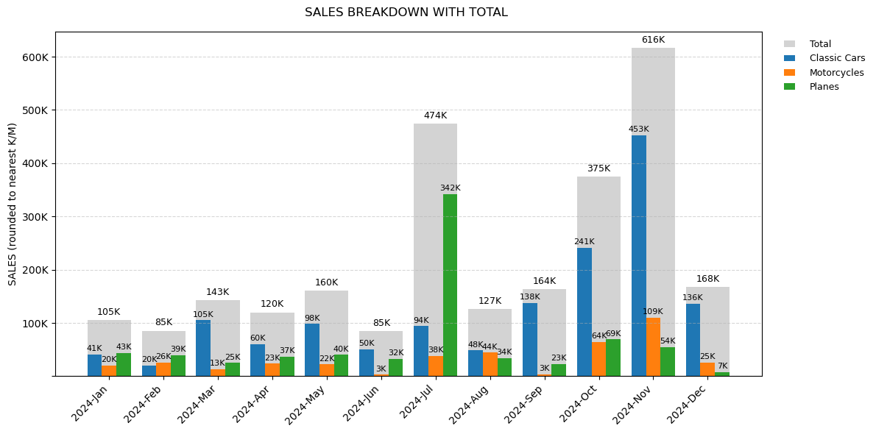
Years | Months | Classic Cars | Motorcycles | Planes
2024 | Jan | 41191.78 | 20500 | 43200
2024 | Feb | 20464.41 | 25783.76 | 39205.31
2024 | Mar | 105026.68 | 12639.15 | 24900
2024 | Apr | 59873.6 | 23475.59 | 36563.34
2024 | May | 98179.48 | 22097.32 | 40000
2024 | Jun | 50256.79 | 2642.01 | 32115.65
2024 | Jul | 94055.58 | 37924.23 | 342123.22
2024 | Aug | 48406.61 | 44164.91 | 33938.33
2024 | Sep | 137666.87 | 3155.58 | 23124.55
2024 | Oct | 241145.43 | 64235.65 | 69180.74
2024 | Nov | 452924.37 | 109345.5 | 54133.27
2024 | Dec | 135593.69 | 25431.88 | 7120.96

